screen shot
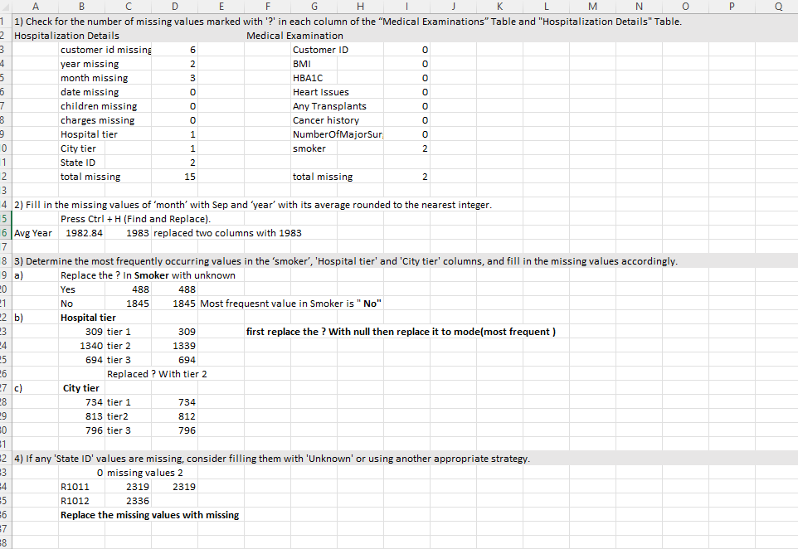

Data Transformation
 | Data Transformation:
1) Split the ‘names’ column in the “Customer Names” Table into 3 meaningful columns: ‘Title’, ‘First Name’, and ‘Last Name’.
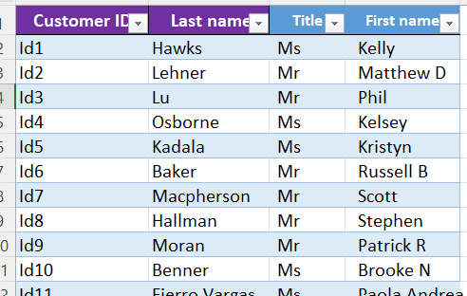

2) Convert the "NumberOfMajorSurgeries" column in the “Medical Examinations” Table to
numerical data by replacing non-numeric characters with meaningful numerical values.
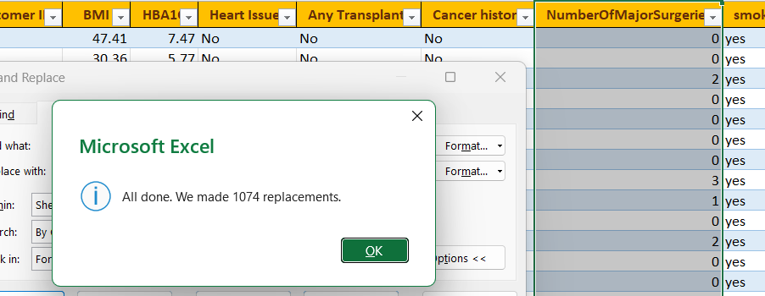

3) Check for inconsistencies in the 'Heart Issues' and 'smoker' columns and propose corrective actions if necessary.

 | Capitalize each word |  | and '?;' Replaced to unknown

4) Create a new column named “Weight Status” that categorizes BMI into different categories as below:

 | IFS([@BMI]<18.5, "Underweight ", [@BMI]<24.9, "Normal Weight", [@BMI]<29.9, "Overweight ", TRUE, "Obesity")

5) Create a new column named “Diabetes Status” and fill it as per the information given below:

 | IFS([@HBA1C]<5.7, "Normal", [@HBA1C]<6.4, "Prediabetes ", TRUE, "Diabetes")

6) Merge ‘year’, ‘month’ and ‘date’ columns in the “Hospitalization Details” Table into one column named ‘Date of Birth’ and format it in ‘DD-MMM-YYYY’ custom format.

Date | ([@year],MONTH("1-"&[@month]),[@date]) |  |  |  |  | then format cells date -DD-MMM-YYYY

7) Calculate the ‘Age’ of each customer based on their ‘Date of Birth’ and the date of collection of the dataset, which is 8thJune 2023.

 |  | DATEDIF([@[Date of Birth]], DATE(2023,6, 8),"Y") |  |  | change the data type as NUMBER |  | FORMAT

8) Format ‘charges’ column as currency ($). |  |  |  | Change the datatype to Currency

screen shot2
